Sheet1
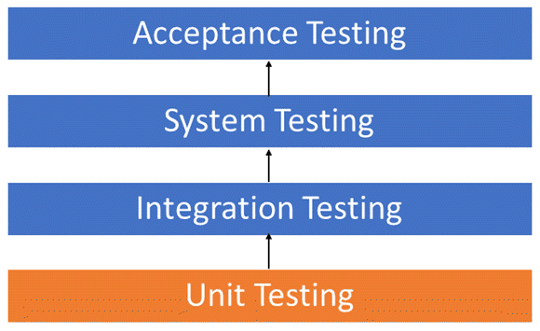
Test Cases
Test case id | Unit to test | Assumptions | Test data | Steps to be executed | Expected Results | Actual Result | Pass/Fail | Comments
DCST - 1 | Login | Login should be successful | Email - test@easyway.com, Password - test123 | Homepage -> Login | Check results on entering valid User Id & Password
DCST - 2 | Login | It should show an error as "Invalid Username or Password" | Email - test@easyway.com, Password - test | Homepage -> Login | Check results on entering Invalid User ID & Password
DCST - 3 | Login | It should show an error as "Invalid Username or Password" | Email - easy@easyway.com, Password - test | Homepage -> Login | Check response when a User ID is Empty & Login Button is pressed
DCST - 4 | Sign Up | Sign Up should be successful | Email - any, Password - anything in between 8 to 16 char | Homepage -> Sign Up | Check results on entering valid User Id & Password
DCST - 5 | Sign Up | It should show an error as "Username already in use" | Email - test@easyway.com, Password - test123 | Homepage -> Sign Up | Check results on entering Already in Used User ID
DCST - 6 | Sign Up | It should show an error as "Enter the Password with given parameters" | Email - test@easyway.com, Password - test | Homepage -> Sign Up | Check response when a Password is containing all the given parameters
DCST - 7 | Forgot password | Should direct to the email to reset the password |  | Homepage-> Login -> Forgot Password | Password Reset and directed to login page again
DCST - 8 | Profile | Profile creation should be successful |  | Homepage-> Login-> Profile | Check all the details filled with valid zip codes and phone numbers.
DCST - 9 | Profile | Show an error with missing fields |  | Homepage-> Login-> Profile | Check to missing/mandatory fields*
DCST - 10 | Homepage | Services should be categorize and listed |  | Homepage | Check if the categories are correct
DCST - 11 | Service Page | Services should have filter option based on reviews and time arrive |  | Homepage ->Services -> Filter | Check if the results after correctly filtered
DCST - 12 | Homepage | Customers should be able to access the homepage | easyway.github.io | Homepage | Once directed with url, you will be first redirected to homepage.
DCST - 13 | Chatbot | Customer can interact and receive a response. |  | Homepage-> Login-> Book an Appointment-> Chat | One the chat started both customers and professional can chat in it.
DCST - 14 | Chatbot | Customer should be able to book appointment just by interaction and chatting with the chatbot |  | Homepage-> Chatbot | Homepage must provide the chatbot to clear all queries
DCST - 15 | Homepage | Customer should be able to search the desired services on search box |  | Homepage-> Search box | Homepage must provide the search box for user to search for desired services.
DCST - 16 | Homepage | History displayed in search field should be relevant to logged in user only |  | Homepage-> Search box | Search box on Homepage must display relevant information previously searched by the user.

